Heatmap
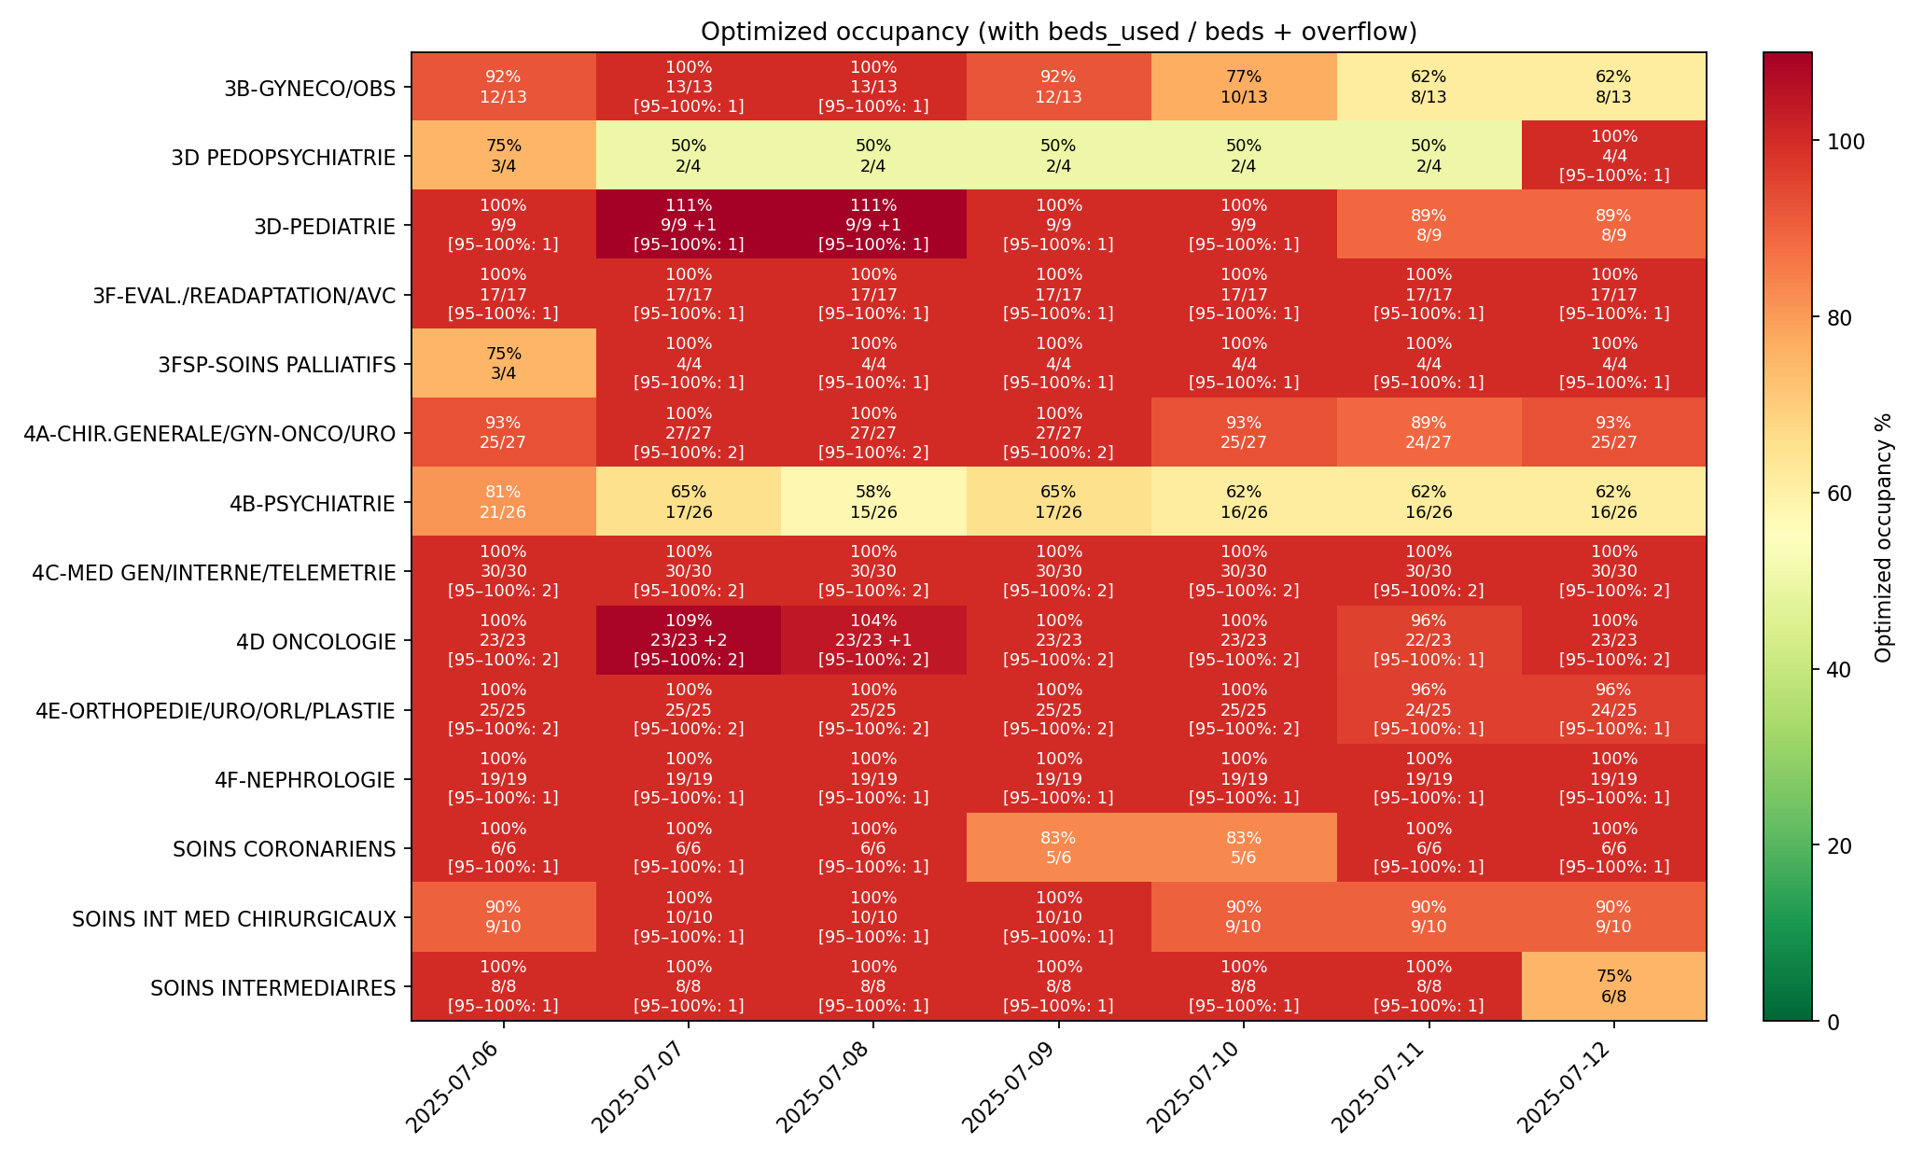
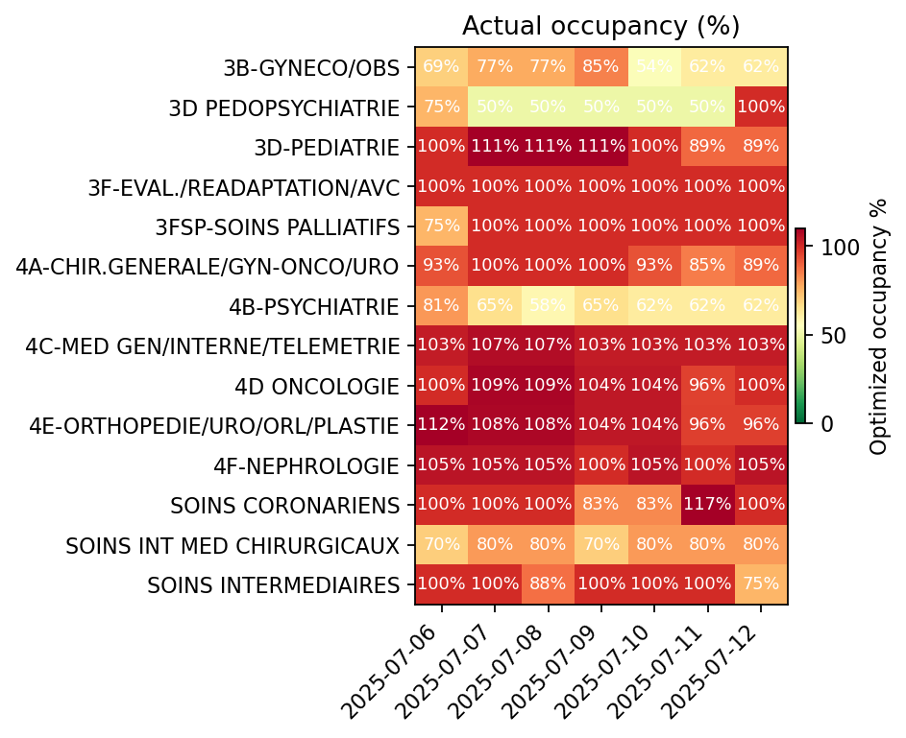
Optimized occupancy heatmap — 2025-07-06 to 2025-07-12
Cell label shows: % and occ/beds

